Table 1

Selected Acquisition Report (SAR)
RCS: DD-A&T(Q&A)823-537
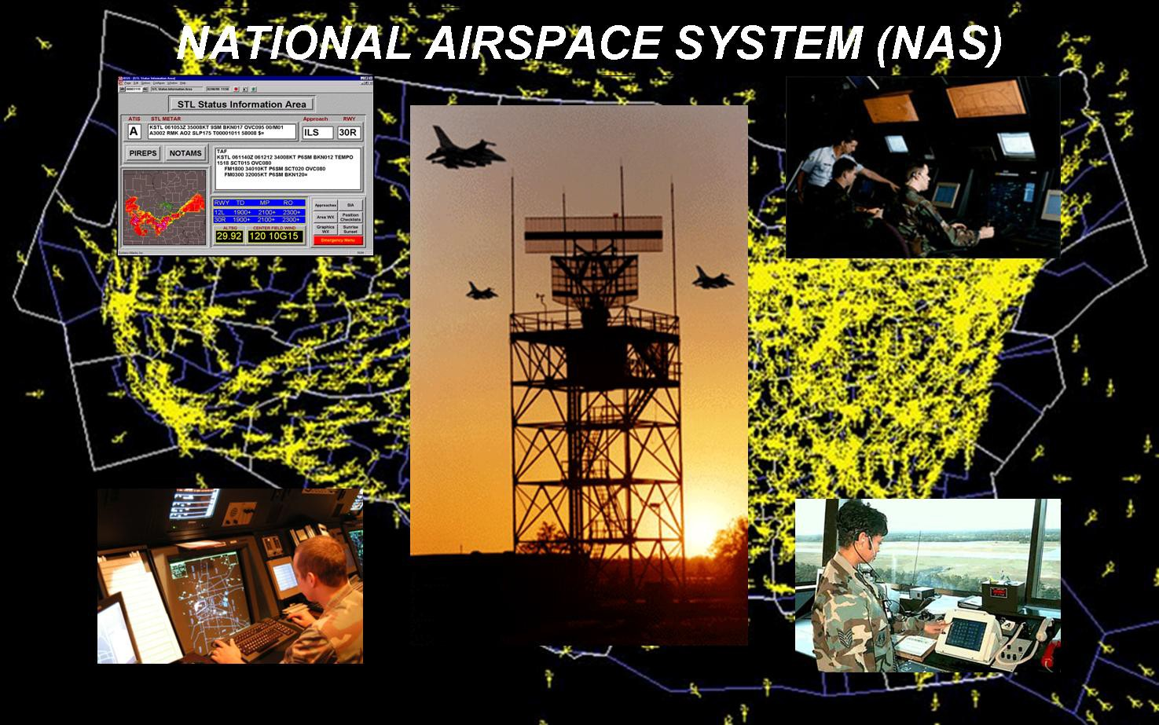
National Airspace System (NAS)
As of FY 2015 President's Budget
Defense Acquisition Management Information Retrieval
(DAMIR)

Table 31
Unit Cost History
 |  |  |  |  |  |  | BY2005 $M |  |  |  | TY $M
 |  |  | Date |  |  |  | PAUC |  | APUC |  | PAUC |  |  | APUC
Original APB |  |  | JUL 1995 |  |  |  | 14.270 |  | 11.789 |  | 14.926 |  |  | 12.711
APB as of January 2006 |  |  | JUN 2005 |  |  |  | 14.766 |  | 13.325 |  | 15.281 |  |  | 14.035
Revised Original APB |  |  | N/A |  |  |  | N/A |  | N/A |  | N/A |  |  | N/A
Prior APB |  |  | JUN 2005 |  |  |  | 14.766 |  | 13.325 |  | 15.281 |  |  | 14.035
Current APB |  |  | JUL 2006 |  |  |  | 14.766 |  | 13.325 |  | 15.281 |  |  | 14.035
Prior Annual SAR |  |  | DEC 2012 |  |  |  | 15.842 |  | 14.307 |  | 16.441 |  |  | 15.125
Current Estimate |  |  | DEC 2013 |  |  |  | 15.967 |  | 14.432 |  | 16.578 |  |  | 15.262
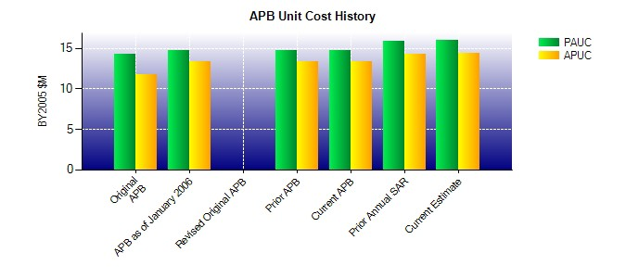
SAR Unit Cost History
Initial SAR Baseline to Current SAR Baseline (TY $M)
Initial PAUC Dev Est | Changes |  |  |  |  |  |  |  |  |  |  |  | PAUC Prod Est
 | Econ | Qty |  | Sch | Eng | Est |  | Oth |  | Spt |  | Total
14.926 -0.815 -3.104 1.517 1.544 -0.791 0.000 2.004 0.355 15.281

